Test Results
Client Info
Date | 2020-06-12
Name: | Jack Braniff |  |  |  | Test Results | ml/kg/min | BPM | Watts |  |  | Heart rate (bpm) |  | kcals/min | Power Zones
Gender | Male |  |  |  | VO2 Max | 55 | 178 | 350 |  | Zone 1 - Recovery | 0 | 99 | 5.6 | 124
Age | 34 |  |  |  | Anaerobic threshold | 41.6 | 137 | 225 |  | Zone 2 – Endurance | 100 | 110 | 9 | 125 | 166.5
Height | 184 cm |  |  |  | Aerobic threshold | 25 | 110 | 96 |  | Zone 3 - Tempo | 111 | 130 | 15.2 | 167.5 | 200.25
Current weight (kg) | 89.0 kg |  |  |  | Fat max |  | 96 |  |  | Zone 4 - Threshold | 131 | 139 | 18.3 | 201.25 | 234
Target weight (kg) | 85.0 kg |  | MEP Score | A | MEP Heart rate |  | 0 |  |  | Zone 5 - VO2 Max | 140 | 178 | 19.0 | 235 | 350
Body Fat | 18% |  |  |  | Max heart rate | 180 |  |  |  | Zone 6 – Anaerobic | 179 | 180 | 20.0 | 351
RMR | 2200
Body Comp Goal | Weight loss
Activity factor | 1.2 |  |  |  |  |  |  |  |  | Supplement recommendations
 |  |  |  |  |  |  |  |  |  | Whey Protein | Y
 |  |  |  |  |  |  |  |  |  | Creatine | Y
 |  |  |  |  |  |  |  |  |  | Beta Alanine | Y
 |  |  |  |  |  |  |  |  |  | Caffeine | Y |  | N
 | Aerobic Threshold | 3. Anaerobic Threshold | 4. Anaerobic Threshold | 1 . VO2Max | 2. Watts@VO2Max | Watts per kg | Body Fat % | Body Fat % | Fractional Utilisation | Sodium Bicarbonate | Y
 | ml/kg/min | ml/kg/min | Watts | ml/kg/min | Watts | w/kg |  |  | % | Nitrates | N
Actual | 25 | 41.6 | 225 | 55 | 350 | 4 | 18% | 18% | 76% | Electrolytes | Y
Goal | 40 | 50 | 300 | 60 | 400 | 6 | 10% | 10% | 95% | High dose antioxidants | N
% of Goal Reached | 63% | 83% | 75% | 92% | 88% | 66% | 56% | 56% | 80% | Probiotics | Y
 | 38% | 17% | 25% | 8% | 13% | 34% |  | 44% | 20%

Aggressive Weightloss | 0.7 | 0.5
Weight loss | 0.85 | 0.7
Maintenance | 1 | 0.85
Weight gain | 1.2 | 1

1:~5000 steps per day or less
2. ~5,000-1o,000 steps per day
3:~10,000-15,000 steps per day
5:~15,000-20,000 steps per day
7:~25,000 steps per day

Sednetary | 1
Low activity | 1.2
Active | 1.5
Very active | 1.7

Protein targets | 1.4 | Carb targets | 1 |  | Fat | 0.7
 | 1.5 |  | 1.5 |  |  | 0.8
 | 1.6 |  | 2 |  |  | 0.9
 | 1.7 |  | 2.5 |  |  | 1
 | 1.8 |  | 3 |  |  | 1.1
 | 1.9 |  | 3.5 |  |  | 1.2
 | 2 |  | 4
 | 2.1 |  | 4.5
 | 2.2 |  | 5
 | 2.3 |  | 5.5
 | 2.4 |  | 6
 |  |  | 6.5
 |  |  | 7
 |  |  | 7.5
 |  |  | 8
 |  |  | 8.5
 |  |  | 9
 |  |  | 9.5
 |  |  | 10

 | https://www.cyclinganalytics.com/blog/2018/06/how-does-your-cycling-power-output-compare



0 | 1 | 3
0 | 2 | 2
0 | 3 | 1

Profile
 | Metabolic Profile |  | Jack Braniff |  |  |  |  | Perform Better, Look Better, Feel Better

 | 1. Aerobic Threshold (AeT) | 2. Anaerobic Threshold | 3.Power @AnT | 4. VO2Max | 5. Power @VO2Max | 6. Fractional Utilisation | Watts per kg | Body Fat %
 | ml/kg/min | ml/kg/min | Watts | ml/kg/min | Watts | % | W/Kg | %
Actual | 25 | 41.6 | 225 | 55 | 350 | 76% | 3.93 | 18%
Ideal | 40 | 50 | 300 | 60 | 400 | 95% | 6.00 | 10%
% Achieved | 63% | 83% | 75% | 92% | 88% | 80% | 66% | 56%
 | 38% | 17% | 25% | 8% | 13% | 20% | 34% | 44%
1. Aerobic Threshold
2. Anaerobic Threshold
3. Power (AnT)
4. V02 Max
 | 1 . VO2Max
 | 92%
 | 8%
Client Info
Date | 2020-06-12
Name | Jack Braniff
Height | 184 cm
Current weight | 89.0 kg
Target Weight | 85.0 kg
Body Fat | 18.0%
RMR | 2200
5. Power (VO2Max)
6. Fractional Utilisation
7. Watts/Kg
7. Body Fat %
8. Metabolic Efficiency Point

 |  |  |  |  |  |  | Heart rate
 |  |  |  |  |  |  | 0

Training Zones |  | Heart rate (bpm) |  | kcals/min | Watts |  | Key Takeaways
Zone 1 - Recovery |  | 0 | 99 | 6 | 124
Zone 2 – Endurance |  | 100 | 110 | 9 | 125 | 167
Zone 3 - Tempo |  | 111 | 130 | 15 | 168 | 200
Zone 4 - Threshold |  | 131 | 139 | 18 | 201 | 234
Zone 5 - VO2 Max |  | 140 | 178 | 19 | 235 | 350
Zone 6 – Anaerobic |  | 179 | 180 | 20 | 351 | 0

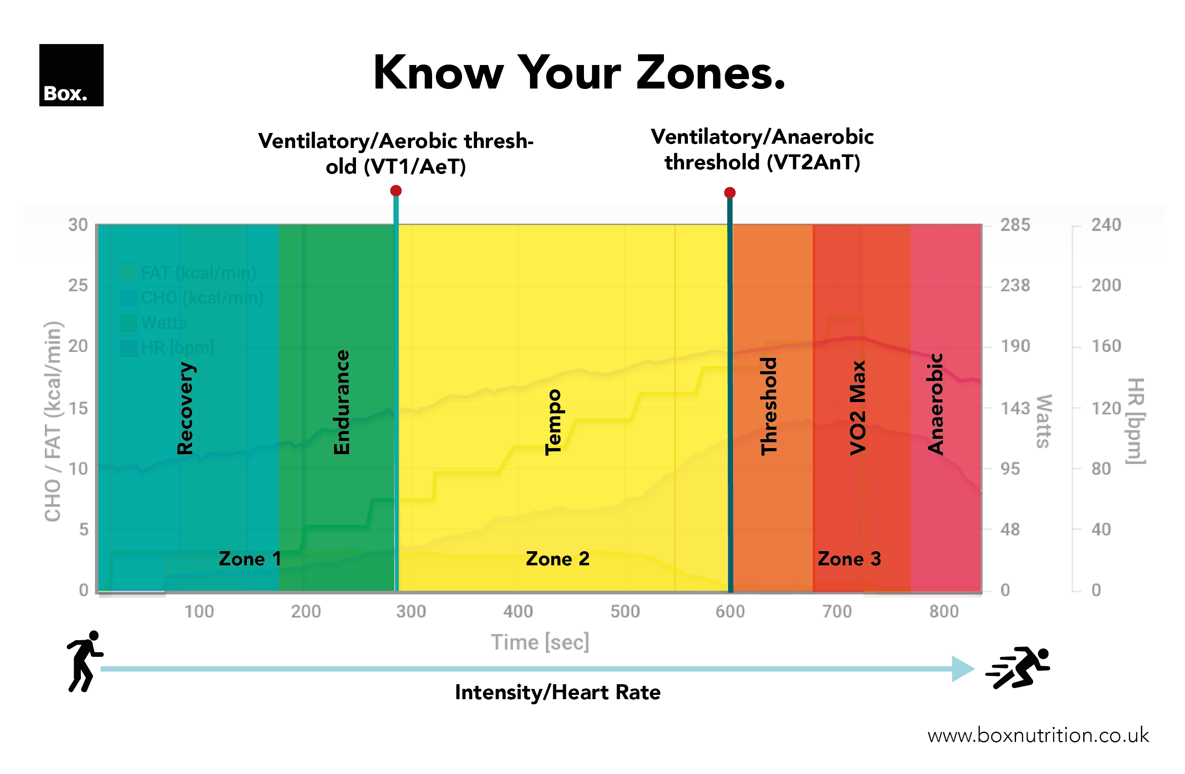

 |  |  |  |  | Your Playbook
VO2Max

AnT

Economy

MEP

AeT

